1. Title Page
[Instacart Grocery Basket Analysis]

Project Name: Instacart Grocery Basket Analysis
Date: 07/25/2023
Analyst Name: Katherine Valdivia

Contents:
Population Flow
Consistency checks
Wrangling steps
Column derivations
Visualizations
Recommendations

“The Instacart Online Grocery Shopping Dataset 2017”, Accessed from www.instacart.com/datasets/grocery-shopping-2017 via Kaggle on 07/23.

2. Population Flow
Title page

Population flow

Exclusion flag
Condition: max_order < 5
Obervations to be removed: 1440295
Final total count of order_products_all: 30964564

Orders_products_combined
Orders_products_merged
Orders_products_all

Total: 32404859
Total: 32404859
Total: 32404859

1.) The grey boxes in the first row of the population flow represent the original data sets as they were when you downloaded them. In the Total fields you need to add the count of the rows when you imported the data set into Jupyter.
2.) The second row of boxes (coloured) represents the data sets after you manipulated them, e.g., removed missing values and duplicates. In the Total fields you need to add the count of the rows after conducting these operations. This offers a visual oveview of how the data flows throughout the data consistency checks.
3.) The third row, where also the arrows are coloured, represents the merges you performed between the datasets. In the Total fields you need to add the count of the rows in the merged datasets, so that you end up with the final dataset (in the red box). Keep in mind the final dataset should be without exclusions (based on the exclusion flag).

3. Consistency checks
 |  |  |  | Title page
Consistency checks

Dataset | Missing values | Missing values treatment | Duplicates
orders | days_since_last order= 206,209 | I decided not to make any changes because those missing values are useful in determining that those customers are new customers. | 0
products | product_name = 16 | Created a new dataframe without missing values in 'product_name' column | 5
orders_products_prior | none | none | 0
customers | first name: 11,259 | none, missing first name should not affect the statistic. | 0

4. Wrangling steps
 |  |  |  | Title page
Wrangling steps

Columns dropped | Columns renamed | Columns' type changed | Comment/Reason
Dropped eval set column from orders.csv |  |  | irrelevant for analysis
 | order_dow to order_day_of week |  | unintuitive
 |  | df_ords: order_id data type to string | holds no numeric value
 |  | df_ords: user_id data type to string | holds no numeric value
 | days_since_prior_order to days_since last_order |  | unintuitive
 | customer dataset: User_id to user_id, surname to Last name, STATE TO State, date_joined to Date_joined, n_dependents to number_of_dependents, fam_status to marital_status, income to Income |  | unintuitive, and to have a uniforme naming system
first name |  |  | Dropped to protect privacy PPI
last name |  |  | Dropped to protect privacy PPI

5. Column derivations
 |  |  |  | Title page

Column derivations and aggregations

Price Range
Mid-range product 756450
Low-range product 243550
Name: price_range, dtype: int64
Busiest Day
Regularly busy 22416875
Busiest day 6204182
Least busy 3783802
Name: busiest_day, dtype: int64
Dataset | New column | Column/s it was derived from | Conditions
df_ords_prods_merged | price_range_loc | prices | prices > 15 = High range product 5 < prices <= 15 = Mid range product prices < 5 = Low range product
orders_products_merged | busiest_day | orders_day_of_ week | orders_day_of_ week ==0 -Busiest day orders_day_of_ week == 4 - Least busy else - Regularly busy
orders_products_merged | busiest_days | orders_day_of_ week | orders_day_of_ week.ison([0, 1]) - Busiest days orders_day_of_ week.ison([3, 4]) - Slowest days else - Regularly busy
Busiest Days
Regularly days 12916111
Busiest days 11864412
Slowest days 7624336
Name: busiest_days, dtype: int64
orders_products_merged | busiest_period_of_day | order_hour_of_day | orders_day_of_day.isin(10,11,14,15,13,12,16,9) - Most orders orders_day_of_day.isin([23, 6, 0, 1, 5, 2, 4, 3]) - fewest orders else - average orders
ords_prods_merge | loyalty_flag | max_order | max_order > 40 - Loyal customer 10 < max_order <= 40 and - Regular customer max_order <= 10 - New customer
Busiest Period of Day
Most orders 21118071
Average orders 9997651
Fewest orders 1289137
Name: busiest_period_of_day, dtype: int64
ords_prods_merge | spending_flag | average_price | average_price < 10 - Low spender average_price >= 10 High spender
ords_prods_merge | frequency_flag | median_last_orders | median_last_orders > 20 - Non frequent customer 10 < median_last_orders <= 20 - Regular customer median_last_orders <= 10 - Frequent customer
Customer Loyalty
Regular customer 15876776 Loyal customer 10284093
New customer 6243990
Name: loyalty_flag, dtype: int64
ic_df | region | State | state.isin(Northeast) - Northeast state.isin(Midwest) - Midwest state.isin(South) - South state.isin(West) - West
ic_df | crosstab | region and user spending | created an Excel chart
ic_df | age_group | age | < 35 - Young Adult >= 35 - Middle Aged >= 65 - Senior
User Spending
Low spender 31769965
High spender 634894
Name: spending_flag, dtype: int64
ic_df | income group | income | <= 68000 - Low income > 68000 & <= 128000 - Middle income > 128000 - High income
ic_df | dependants | Number_of_dependants | No Dependants Has Dependants

Customer Frequency
Frequent customer 21559853
Regular customer 7208564
Non-frequent customer 3636437
NaN 5
Name: order_frequency_flag, dtype: int64
Region
South 10791885
West 8292913
Midwest 7597325
Northeast 5722736
Name: Region, dtype: int64
Age Group
Middle-Aged 15202120
Young Adult 8627655
Senior 8575084
Name: age_group, dtype: int64
Income Group
Middle Income 15929926
Low Income 8392729
High Income 8082204
Name: income_group, dtype: int64
Dependants
Has Dependants 24307356
No Dependants 8097503
Name: dependants, dtype: int64

6. Visualizations
 |  |  |  |  |  |  |  | Title page

Visualisations

In this tab you should include all the visualtions from Exercises 4.9 and 4.10, alongside the questions from the project brief that they answer. Include any commentary on the relationship between different variables.

Key Question 1: The sales team needs to know what the busiest days of the week and hours of the day are (i.e., the days and times with the most orders) in order to schedule ads at times when there are fewer orders.

 |  | Busiest day of week
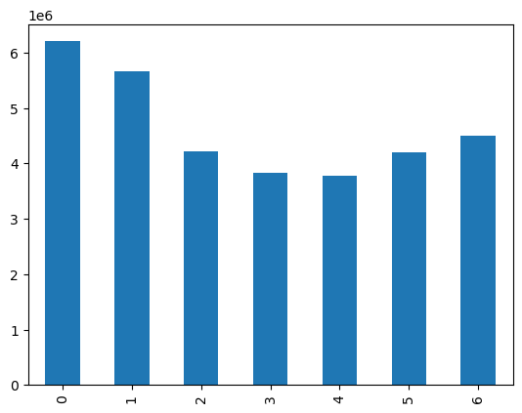
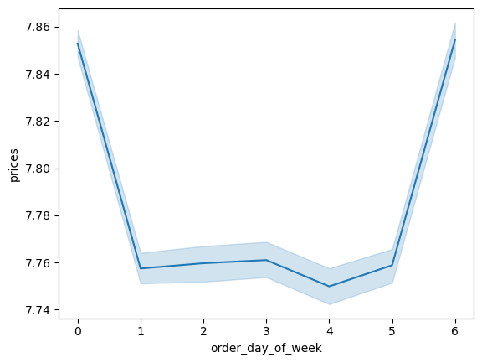

 |  |  | 0 = Saturday 1 = Sunday 2 = Monday 3 = Tuesday 4 = Wednesday 5 = Thursday 6 = Friday

Higher priced items are purchased on Friday and Saturday
The busiest days of the week are Saturday and Sunday.

Key Question 2: They also want to know whether there are particular times of the day when people spend the most money, as this might inform the type of products they advertise at these times.

 |  |  |  |  |  |  | Orders throughout the day
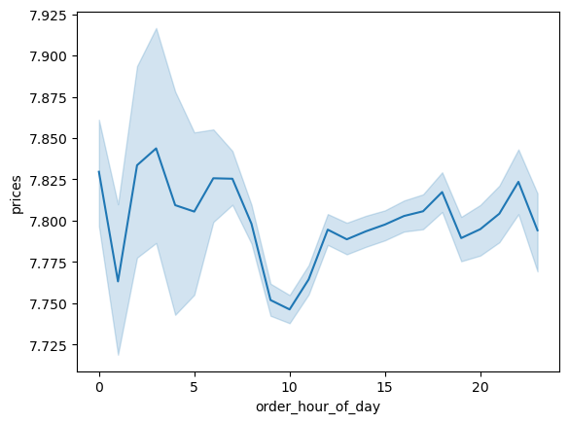
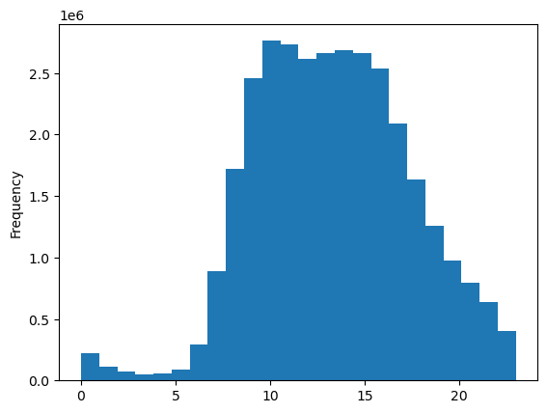

Higher priced items are usually purchased at night and into the early morning.
The busiest time of day for orders is between 9am and 4pm.

Key Question 3: Instacart has a lot of products with different price tags. Marketing and sales want to use simpler price range groupings to help direct their efforts.



Products range up to $25. The majority of mid-range products are $15 and under.

Key Question 4: Are there certain types of products that are more popular than others? The marketing and sales teams want to know which departments have the highest frequency of product orders

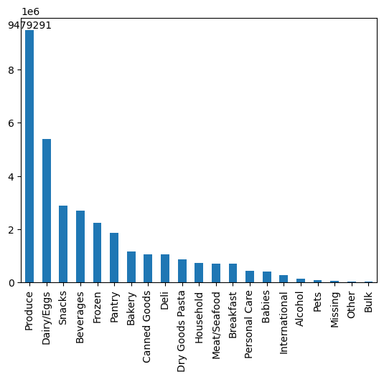

Produce is the most popular overall followed by Dairy/Eggs. Snacks, beverages, frozen and pantry are aslo popular. While the least popular are alcohol, pets, other, and bulk.

Key Question 5: The marketing and sales teams are particularly interested in the different types of customers in their system and how their ordering behaviors differ.

 | What’s the distribution among users in regards to their brand loyalty (i.e., how often do they return to Instacart)?
 | Loyalty Groups


There are more regular customers than any other group followed by loyal customers and new customers with the least.

 | Are there differences in ordering habits based on a customer’s loyalty status?

 |  | Order Frequency

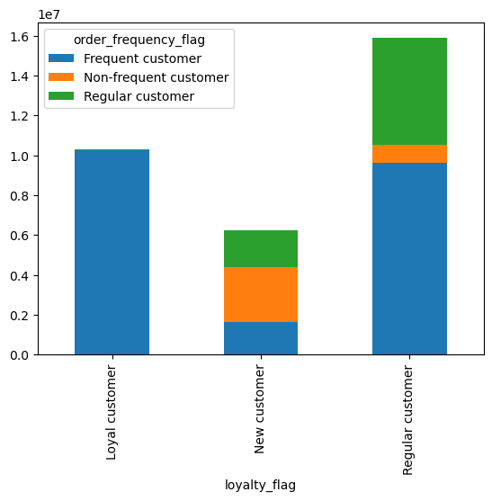

Loyal customers are the most frequent customer compared to the others.
New customers are more ofter non frequent customer
Regular customers tend to be frequent customers

 | Are there differences in ordering habits based on a customer’s region?

 |  | Loyalty by Region |  |  | Age Group by Region |  |  | Marital Status by Region
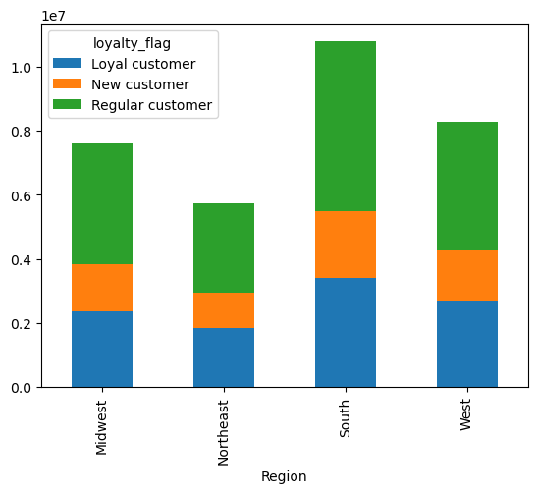
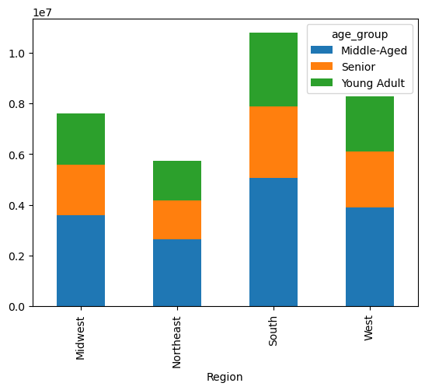
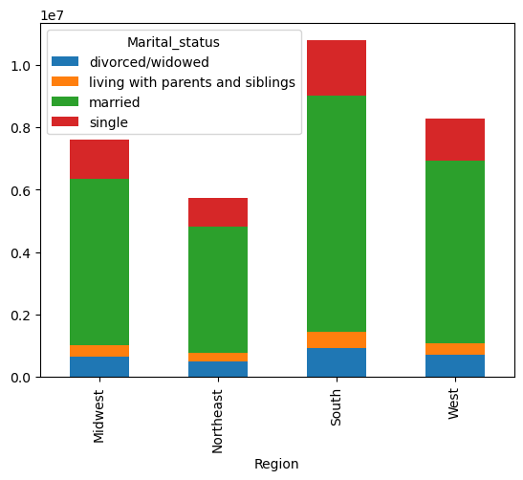

The South region has the most loyal customers and regular customers
The South region has the most middle-aged customers.
The South region has the most married and single customers.

 |  | Income by Region |  |  | Dependants by Region |  |  | Spending habits by Region
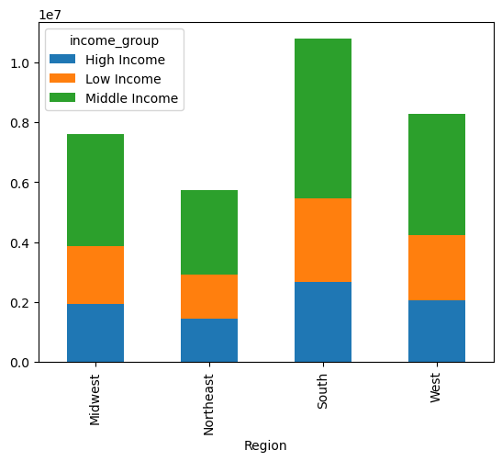
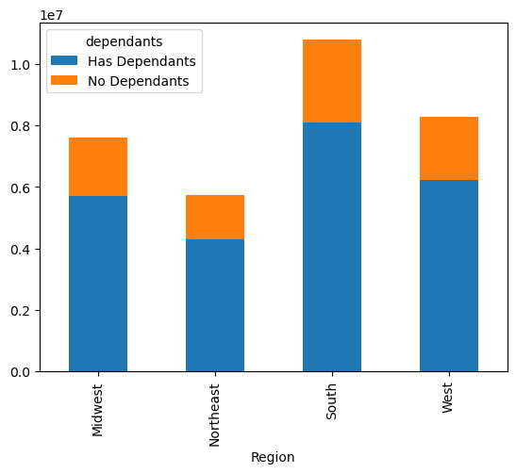
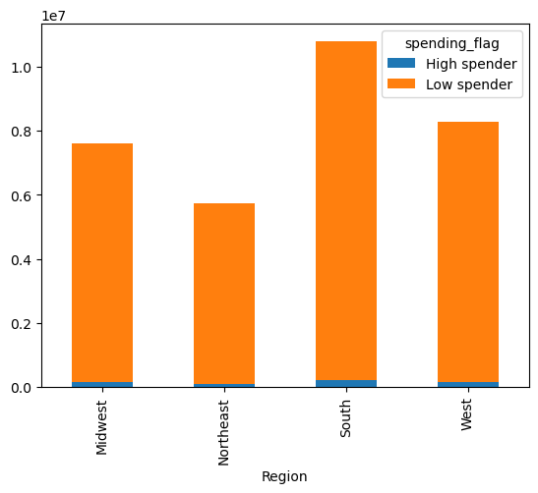

The South region has the most middle income customers.
The South region has the most customers with dependants.
The South region has the customers with the most low spenders.

 | Is there a connection between age and family status in terms of ordering habits?

 |  | Age Group by Marital Status |  |  |  | Age by Number of Dependants
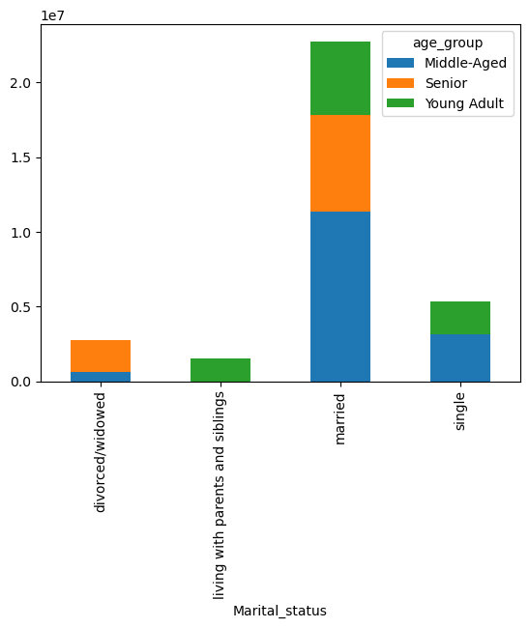
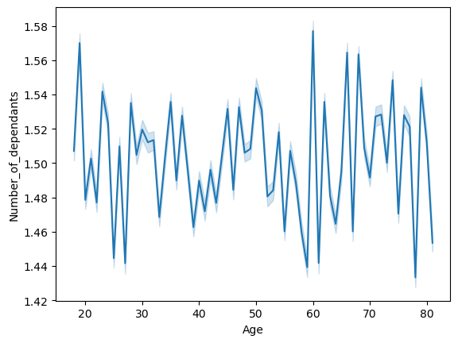

I don't see a clear conncetion between age and number of dependents. But there are some interesting observations to make. Age groups 20s-30s are very inconsistent which could suggest that its around the age people start to think about having children or not. The 40s age group has an upward trend suggesting that the parents kids are still dependents. There's a spike in the 60s age group which could suggest that now the kids are taking care of their parents.

There are more middle aged, Senior, and Young adult customers that are married than any other marital status.

 | What different classifications does the demographic information suggest? Age? Income? Certain types of goods? Family status?

 | Marital status and income
 |  |  |  | Dependants by Marital Status |  |  |  |  | Age and Income
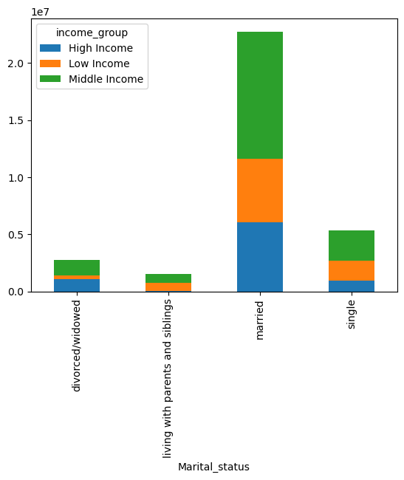
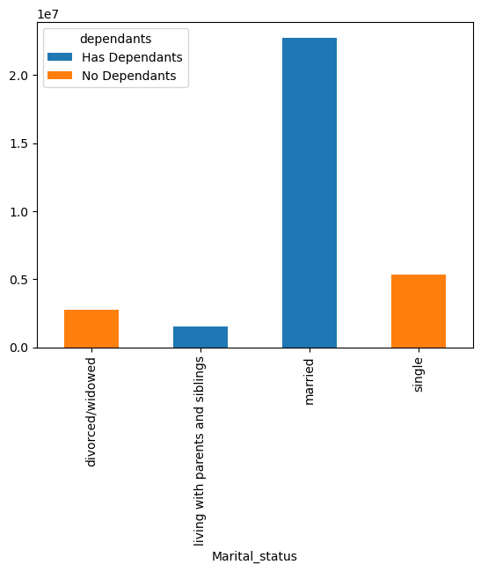


Observation: The majority of all age groups make under 200k. Around age 40 and above is where you see people making up to 300k. No one under age 40 is making over 400k but there are people scattered that are over the age of 40 making up to 600k. Overall it seems that income tends to increase around the age 40 and above, income increase can have a small spike or a major spike.

Married customers have the highest middle income, low income, and high income than any other marital status.
Married customers have the most dependants.
Single customers have the most no dependants.

7. Recommendations
 |  |  | Title page

Recommendations

In this tab you should include any recommendations you would made to Instcart in terms of their marketing strategy based on the questions posed in the brief. Every key question has been covered in the Tasks of the Exercises - here you need to add an item - a visualisation or table/crosstable that is showing the answer in the data, acompanied by a comment from you. Please, list the questions below and add the answer underneath.

Question | Answer | Recommendation
Key Question 1: The sales team needs to know what the busiest days of the week and hours of the day are (i.e., the days and times with the most orders) in order to schedule ads at times when there are fewer orders. | The busiest days of the week are Saturday and Sunday, between 9am and 4pm. | I recommend showing ads on Saturday and Sunday between 9am and 4pm.
Key Question 2: They also want to know whether there are particular times of the day when people spend the most money, as this might inform the type of products they advertise at these times. | Higher priced items are usually purchased at night and into the early morning. | I recommend creating limited time promotions for night time shoppers, these can encourage shoppers to take advantage of these deals.
Key Question 3: Instacart has a lot of products with different price tags. Marketing and sales want to use simpler price range groupings to help direct their efforts. | Price Range Groupings: Low Range Products: Under $5 Mid-range Products: $5 - $15 High-range Products: Over $15
Key Question 4: Are there certain types of products that are more popular than others? The marketing and sales teams want to know which departments have the highest frequency of product orders | Produce is the most popular overall followed by Dairy/Eggs. Snacks, beverages, frozen and pantry are aslo popular. While the least popular are alcohol, pets, other, and bulk. | I recommend advertising most popular departments because they are high in demand. I recommend offering promotions on least popular departments to entice customers to the deals.
Key Question 5: The marketing and sales teams are particularly interested in the different types of customers in their system and how their ordering behaviors differ. | Loyal customers are the most frequent customer compared to the others. New customers are more ofter non frequent customer Regular customers tend to be frequent customers | I recommend rewarding the loyal and frequent customers by creating a incentive/rewards program to retain these loyal customers. I recommend engaging with new customers by recommending them past products they’ve bought and encouraging them to explore other departments. I recommend analyzing non frequent users order history and determining the reasons for their infrequent purchases. Use promotions to bring them back.

